Table 1
Introduction
According to the 2006 General Social Survey, Americans have completed an average of 13.29 years of education. Of course this does not mean that each and every American has exactly 13.29 years; some have more and some have less. The 2006 General Social Survey also tells us that 15.3% of the U.S. population has less than a high school degree and that 16.9% has a bachelor’s degree; but these ordinal measures tell us very little about how cases are distributed around the average of 13.29 years. Do most
  ©Dennis Nett/Syracuse Newspapers/The Image Works Measures of Dispersion | Introduction The Distribution of Education in the United States Range ■ INTEGRATING TECHNOLOGY Interquartile Range Mean Deviation Mean Deviation Using Raw Data ■ NOW YOU TRY IT 1 Variance and Standard Deviation Variance (s2) Standard Deviation (s) ■ INTEGRATING TECHNOLOGY ■ NOW YOU TRY IT 2 ■ STATISTICAL USES AND MISUSES ■ EYE ON THE APPLIED Standard Deviation and the Normal Curve ■ NOW YOU TRY IT 3 Chapter Summary

Table 2
Dispersion The degree to which cases are clustered around a particular value, usually the mean.
Americans have just about 13–14 years? Or are there lots of people with 10 years and lots of people with 16 years? These are questions that measures of central tendency cannot help us to answer. They are questions that go beyond averages. In other words, once we know an average, we may want to know something more about the data it begins to describe. For example, the numbers 4, 5, and 6 have an average of 5. So do the numbers 3, 5, and 7. And so do the numbers 2, 5, and 8. You can see from these sets of num- bers that an average of 5 can come from a group of tightly clustered numbers or from a group of widely dispersed numbers. Measures of dispersion tell us about the degree of clustering among cases in a data set. This degree of clustering is referred to as dispersion. The terms variability and dispersion are often used interchangeably, but the term dispersion will be used here. Table 1 presents relevant formulas and symbols for our discussion of dispersion.
TABLE 1 Symbols and Formulas
TERM/SYMBOL | MEANING OF SYMBOL |  | FORMULA
Measures of dispersion | A group of statistics (range, variance, standard deviation) that is used to describe how spread out cases are across a distribution. They tell us how tightly cases tend to cluster. Used with interval/ratio variables. |  | R = H - L Q = Q3 - Q1 Di = X - X D = !( | X - X | ) t N ss = a (X - X)2 2 !(X - X)2 s = N !(X - X)2 s = B N
Range | The distance between the case with the highest value and the case with the lowest value
Interquartile range | The distance from the third to the first quartile
Deviation | The distance that a particular case falls from the mean
Mean deviation | The average distance that each case (measured as a positive value) falls from the mean
Sum of squares | The sum of squared deviations from the mean
Variance | A type of average. The average of the squared “distances” from the mean.
Standard deviation | A type of average equal to the square root of the variance. It is the square root of the average of the squared “distances” from the mean.
 |  | 

Table 3
The Distribution of Education in the United States The United States is a relatively highly educated country. According to data from the General Social Survey (National Opinion Research Center, 2006), Table 2, about 85% of Americans have at least a high school education and 34% of Americans have more than a high school education. This means that only about 15% of respondents have less than a high school degree. For these same respondents, 38% have fathers with less than a high school degree and 34% have mothers with less than a high school degree. Addi- tionally, the mean number of years of education for all Americans is 13.29, compared to only 11.27 years for their mothers and 11.28 years for their fathers. This appears to
TABLE 2 RS Highest Degree

Many questions cannot be answered using measures of central tendency because measures of central tendency only tell us around what values cases tend to cluster. They do not tell us how tightly cases tend to cluster around those values. Therefore, we need a new group of statistics that describe
the degree to which cases are clustered (or spread out). These statistics are known as measures of dispersion. Distributions can be described more com- pletely when both measures of central tendency and measures of dispersion are used.
In this chapter we learn how to calculate and interpret five of the most commonly used measures of dispersion: the range, interquartile range, mean deviation, variance, and standard deviation. As in the case of measures of cen- tral tendency, it is important to understand what these measures tell us and what their limitations are. We learn how to calculate each of these with both raw and grouped data.
 | 
 |  | FREQUENCY | PERCENT | VALID PERCENT | CUMULATIVE PERCENT |  |  | FREQUENCY | PERCENT | VALID PERCENT | CUMULATIVE PERCENT
Valid | LT HIGH SCHOOL | 691 | 15.3 | 15.3 | 15.3 | Valid | LT HIGH SCHOOL | 691 | 15.3 | 15.3 | 15.3
 | HIGH SCHOOL | 2273 | 50.4 | 50.4 | 65.8 |  | HIGH SCHOOL | 2273 | 50.4 | 50.4 | 65.8
 | JUNIOR COLLEGE | 377 | 8.4 | 8.4 | 74.1 |  | JUNIOR COLLEGE | 377 | 8.4 | 8.4 | 74.1
 | BACHELOR | 763 | 16.9 | 16.9 | 91.1 |  | BACHELOR | 763 | 16.9 | 16.9 | 91.1
 | GRADUATE | 403 | 8.9 | 8.9 | 100.0 |  | GRADUATE | 403 | 8.9 | 8.9 | 100.0
 | Total | 4507 | 99.9 | 100.0 |  |  | Total | 4507 | 99.9 | 100.0
Missing | NA | 3 | 0.1 |  |  | Missing | NA | 3 | 0.1
Total |  | 4510 | 100.0 |  |  | Total |  | 4510 | 100.0

Table 5
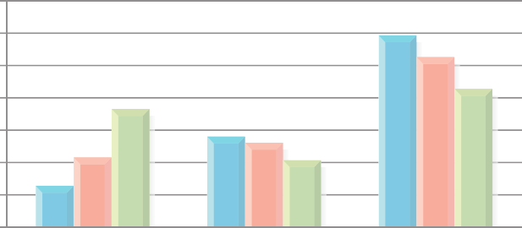 70 White 60 Black 50 Other 40 30 20 10 0 Less than 12 Years 12 Years More than 12 Years Level of Education

 |  |  | Figure 1 Distribution of Education by Race
This does not mean, however, that every person in each group is making $50,000, as
shown in Figure 2.
Despite having the same mean, it is clear that these are two very different distribu- tions with Group B being more tightly clustered around the mean than Group A. We can begin to describe this difference statistically using a histogram. As noted at the beginning of this chapter, data from the 2006 General Social Survey indicate that Americans, on average, have about 13.29 years of education. Yet this is not true for all groups. For Whites, the mean is 13.66; for Blacks, the mean is 12.87; and for Others the mean is only 11.69, two years less than it is for Whites. Histograms gener- ated in SPSS for Windows show this difference in Figures 3, 4, and 5. Three statistics are presented in the upper right-hand corner of each chart: the mean, standard deviation, and number of cases. The groups are similar in that each contains respondents that have between 0 and 20 years of education; however, they are not identical distributions. You can see that the cases in the third chart (Others) are more spread out than they are for the first two charts. This is particularly true for the height of the bar at the lower end of the distribution, respon- dents with less than 8 years of educa- tion. This indicates a greater degree of dispersion among Others relative to the degree of dispersion among Whites and Blacks. This is confirmed by the value of the second statistic in each chart, the standard deviation (s).
 |  | Figure 2 Histograms of Income for Group A and Group B

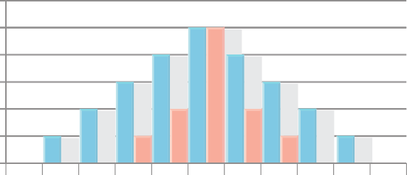 6 Group A 5 Group B 4 3 2 1 0 0 10 20 30 40 50 60 70 80 90 100 Income (in $10,000 Increments)
 | As you can see, the standard devia-
tion in years of education for Whites
is 2.929 and for Blacks is 2.951. These
For Others, however, the standard deviation is equal to 4.360. It is this significantly higher standard deviation that makes
are very similar values.

Table 6
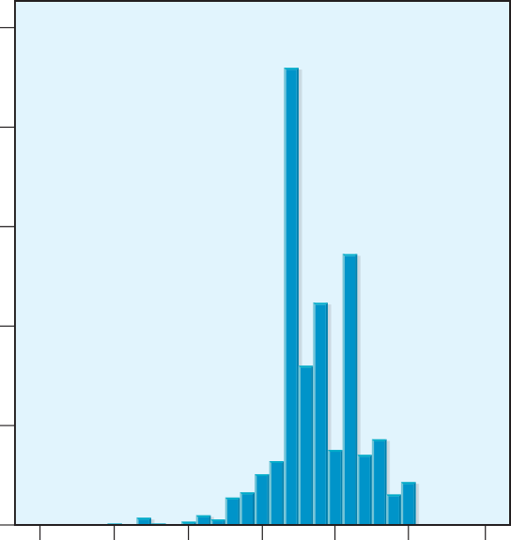 1,000.0 800.0 600.0 400.0 200.0 0 5 0 5 10 Highest Year of Sch |  | 15 ool Compl |  | Mean = 13.66 Std. Dev = 2.929 N = 3,277 20 25 eted

 | Figure 3 Race of Respondent: White
 | Figure 4 Race of Respondent: Black

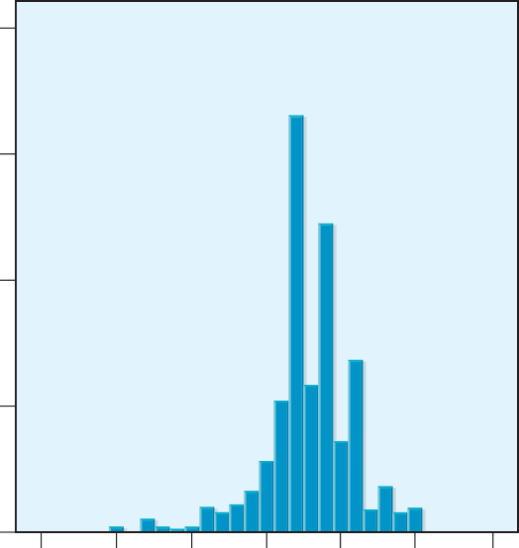 200.0 150.0 100.0 50.0 0 5 0 5 10 Highest Year of Scho |  | 15 ol Comp | Mean = 12.87 Std. Dev = 2.951 N = 630 20 25 leted

Table 7
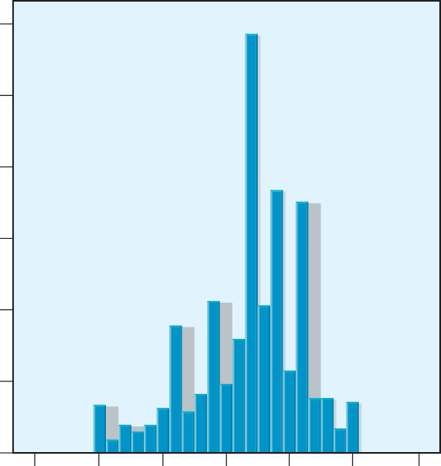 120.0 100.0 80.0 60.0 40.0 20.0 0 5 0 5 Highest Ye | Mean Std. N = 10 15 20 25 ar of School Completed | = 11.69 Dev = 4.36 592

 | Figure 5 Race of Respondent: Other
the histogram for Others look different. The larger the standard deviation, the more widely distributed are cases around the mean. But let’s not get ahead of ourselves! It is important to begin this discussion with an investigation into some other measures of dispersion before we get to the standard deviation. The range, interquartile range, mean deviation, variance, and standard deviation all help us to describe this difference. We now turn our attention to these five measures of dispersion, beginning with the range.
Range The range is found by subtracting the lowest value in a set of data from the highest. The range offers a rough idea of how much variation there is in the categories of a variable. Using the earlier example of college students in Groups A and B in Figure 2, the highest value in Group A is $90,000 and the lowest value is $10,000. Using the formula for the range, we see that:
Range The difference between the values of the highest and lowest cases in a distribution.
R = H - L R = 90,000 - 10,000 = 80,000 The range is equal to $80,000 for Group A. For group B, we see that: R = 70,000 - 30,000 = 40,000 The range is equal to $40,000 for Group B. Therefore, the respondents in Group A are more widely dispersed than are the respondents in Group B.

Table 8
 a96/ZUMA Press/Newscom |  | The range can also apply to ecological data. For example, we may want to know more about the distribution of waste sites in communities across the state. The Com- monwealth of Massachusetts is home to 351 minor civil divisions (towns and cities) and over 30,000 hazardous sites. These sites, however, are not evenly distributed across the 351 minor civil divisions. The city of Boston is the community with the most ecological hazards (3,972 points) whereas other commu- nities, such as Leyden, have 0 points. There- fore, the range for this data is equal to R = H - L R = 3972 - 0 = 3972 Overall, the range is a rather simplistic measure of dispersion that requires us to use only two cases in a distribution to determine its value, the one with the highest value and the one with the lowest value. In this way, it provides us with a rough idea of the degree of dispersion, but by virtue of omitting the values of all but two of the cases, a great deal of data is never put to use. Other measures of dispersion, such as the mean deviation, variance, and standard deviation, use more data and offer a more complete understand- ing of our data by using the values of more cases in their calculations.

Integrating Technology
Although the range is relatively easy to calculate, it is often difficult to determine the highest and lowest values when working with very large data sets. Both SPSS and Excel have a “Sort Data” function that orders cases in either ascending or descend- ing values of any variable the user selects. Then, by looking at the values of the first and last cases, the range can be easily calculated. The two tables below represent identical data on the Socioeconomic Index (SEI) taken from the 2006 General Social Survey. In the first, data are unsorted and in the second they are sorted from lowest to highest.
UNSORTED DATA | SORTED DATA
35.7 | 28.4
32.0 | 28.6
43.7 | 29.2
34.4 | 32.0
36.5 | 32.3
36.5 | 34.4

Table 9
UNSORTED DATA | SORTED DATA
78.5 | 35.7
32.3 | 36.5
38.4 | 36.5
62.0 | 38.4
44.7 | 41.6
49.6 | 43.7
63.5 | 44.7
45.3 | 45.3
29.2 | 49.6
28.4 | 50.7
41.6 | 62.0
68.8 | 63.5
68.1 | 68.1
91.2 | 68.1
76.5 | 68.8
50.7 | 76.5
68.1 | 78.5
28.6 | 91.2
Once data have been sorted, it is much easier to calculate the range: R = H - L Because the range only uses two of the 24 values of data, a great deal of information is left out. As we will see, the mean devia- tion, variance, and standard deviation make use of all avail- able data. Although they are more difficult to calculate, they give us a better overall picture of the distribution.
2
Interquartile Range Another type of range is called the interquartile range. As you may have guessed, the interquartile range is based on dividing a distribution into quarters, four equal-sized parts known as quartiles. The difference between the value of the cases at the third and first quartiles is equal to the interquartile range. Literally, it is the range of values of the two middle quartiles. For example, suppose that we sample 20 individuals on the number of years of school they have completed and get the following results (ranked in order from lowest to highest). 8 10 10 10 12 12 12 12 12 12 12 14 14 16 16 16 16 17 18 20 The median is equal to the value of the middle case. The formula for finding the middle case is N + 1 or (N + 1)(.5). Because two quartiles is equal to one half, the second quartile is the same thing as the median. Therefore, the data above the second quartile is equal to,
Interquartile range The difference between the values at the third and first quartiles in a distribution.
Q2 = (20 + 1)(.5) = Value of case number 10.5 = 12

When we count over 10.5 cases, we find that it falls between two values of 12. Therefore, Q2 = 12, as shown below. 25, 25, 25, 25, 8 10 10 10 12 | 12 12 12 12 12 | 12 14 14 16 16 | 16 16 17 18 20 Low Score Q1 Q2 (median) Q3 High Score

Table 11
25.00 20.00 15.00 10.00 5.00 0.00 Population A Population B Population

 | Figure 7 Box Plots for Two Populations, A and B

box plot contains a box in the center that ranges from values of 12 to 16. This box represents the interquartile range of our data. The chart also has lines that indicate the highest and lowest values of our data. The horizontal line, at the bottom of the box in this example, represents the median. Box plots are a good way to quickly assess the characteristics of a distribution and a good way to make comparisons between different groups. For example, use the box plots in Figures 6 and 7 to compare years of educa- tion between two populations. As you can see from Figure 7, Population A has much less overall dispersion and a much smaller interquartile range than does Population B. The median is also signifi- cantly higher for Population A. Overall, while some people in Population B have very high levels of education (and very low levels of education) that far exceed anyone in Population A, as a group, Population A is more highly educated.
Mean Deviation The mean deviation, as you might have guessed from its name, is a type of average. Although it is rarely used, a brief summary is offered here as a way to introduce concepts that are useful in understanding a much more commonly used measure of dispersion, the standard deviation. The mean deviation differs from the mean because it is based on the degree to which cases differ from the mean rather than the actual values of the cases. For example, if the average number of courses that students take is five and you
Mean deviation The math- ematical average of deviations from the mean (measured in absolute values).
take four, you vary from the mean by a value of 1. This amount is called the deviation and can be calculated by taking the absolute value of the difference between the value of a particular case and the mean, using the following formula: Di = | X - X | When calculating the mean deviation, this is done for each case in the distribution. The values are then summed and divided by N to obtain the mean deviation.
=
D
!( | X - X | ) t N
It is necessary to use the absolute values of the deviations from the mean, other- wise, the values will add up to 0. Because absolute values are used, the mean deviation can also be called the mean absolute deviation. This mathematical certainty is a unique characteristic of the mean. Mean Deviation Using Raw Data If we take any group of numbers, suppose it is the number of courses that students at your school take, the average represents the point at which half of the total deviation falls above and half falls below. Therefore, if we sum the positive and negative deviations they will add to 0. Consider this example: Suppose we ask six students how many courses they are cur- rently enrolled in and we get the results shown below.
4 5 4 6 5 6
The values add to 30 and because N = 6, the mean is 5. If we subtract the mean from each value, we find:
4 - 5 = -1 5 - 5 = 0 4 - 5 = -1 6 - 5 = 1 5 - 5 = 0 6 - 5 = 1 Sum = 0 This is the case for any group of numbers and requires us to use absolute values when calculating the mean deviation. When variations from the mean are put in abso- lute value (positive value), we find:
4 - 5 = -1 = 1 5 - 5 = 0 = 0 4 - 5 = -1 = 1 6 - 5 = 1 = 1 5 - 5 = 0 = 0 6 - 5 = 1 = 1 Sum = 4 Using the formula for the mean deviation, we find:

Table 13
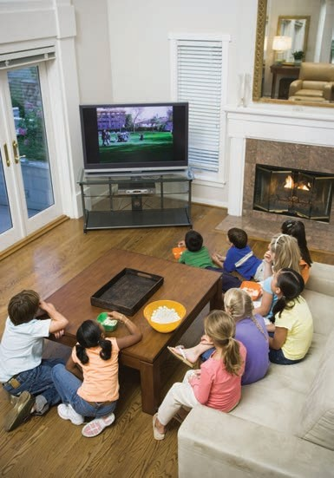 Variance (s2) Like the mean deviation, the variance is an average based on devia- tions from the mean. And like the calculations for the mean devia- tion, it is necessary to make sure that the deviations from the mean are expressed as positive values. Otherwise, the sum of deviations from the mean will add up to 0. Rather than taking the absolute values of deviations from the mean, the variance squares the devia- tions from the mean. While this has the effect of turning all of these values into positive numbers, it also has the effect of altering the scale of their values. In other words, 3s become 9s, 9s become 81s, and so on. In this sense, it is important to remember that the variance, (s2), is always expressed in “squared units,” while the standard deviation, (s), is expressed in standard units. The variance is determined by summing the squared deviations from the mean and dividing by N. The formula for the variance is:
s 2 = |  |  |  | !(X - X)2 N
Blend Images/Alamy |  |  | We now calculate the variance using data on television viewing hours per day for two groups: Group A and Group B.
X | — X — X | — (X — X )2
3 | 3 - 3 = 0 | 0
2 | 2 - 3 = -1 | 1
4 | 4 - 3 = 1 | 1
2 | 2 - 3 = -1 | 1
4 | 4 - 3 = 1 | 1
EXAMPLE 1
Calculating the Variance Using Raw Data
Our data for Group A is:
3, 2, 4, 2, 4
Using the same technique that we used to determine deviations from the mean, we sub- tract the mean from each value (X - X) in Table 4. The sum of these squared deviations from the mean is equal to the sum of squares and is denoted by the symbol ss.
TABLE 4
 |  | ss = 4

Table 14
Because the deviations from the mean are all equal to either 0 or 1, the squared deviations from the mean are also equal to either 0 or 1. This means that for this particular example, the sum of squares is the same as the sum of absolute value deviations, but only because we are working with only 0s and 1s. We can now put the sum of squares (the numerator) and N (the denominator) into the equation for the variance.
S2 = |  |  |  | !(X - X)2 N |  | = 4 = .8 5
So in this example the variance is equal to .8. We now calculate the variance for Group B. For Group B the data is:
1, 0, 7, 6, 1
Using the same technique that we used to determine deviations from the mean, we subtract the mean from each value (X - X) in Table 5. The sum of these squared deviations from the mean is equal to the sum of squares and is denoted by the symbol ss.
TABLE 5
X | — X — X | — (X — X )2
1 | 1 - 3 = -2 | 4
0 | 0 - 3 = -3 | 9
7 | 7 - 3 = 4 | 16
6 | 6 - 3 = 3 | 9
1 | 1 - 3 = -2 | 4
 |  | ss = 42
We can now put the sum of squares and N into the equation for the variance.
s 2 = |  |  | !(X - X)2 N |  | = 42 = 8.4 5
As you can see, 8.4 is an unusually large number, particularly since our data values only go up to a maximum of 7. This is a result of squaring the difference between the case values and the mean. In other words, our variance of 8.4 is expressed in a different unit of analysis than that of the data. To make the results more intelligible, we must remove the squaring effect by taking the square root of the variance. By doing so, we have calculated the standard deviation.

Standard Deviation (s) The standard deviation is equal to the square root of the variance. Therefore, to calculate the standard deviation, it is necessary to first calculate the variance. Once we have calcu- lated the variance, we simply take the square root and the result is the standard deviation.
Standard deviation The square root of the mathematical average of the sum of squared deviations from the mean. The square root of the variance.

EXAMPLE 2
Calculating the Standard Deviation Using the Variance
Therefore, for Group A, the variance (s 2) is equal to .8. By taking the square root of .8, we find that:
s = 2s 2 = 2.8 = .9
The standard deviation is equal to .9. This means that the cases differ from the mean of 3 hours of television viewing by an average of .9 hours (56 minutes).
For Group B, the variance (s 2) is equal to 8.4. By taking the square root of 8.4, we find
that:
s = 2s 2 = 28.4 = 2.9
The standard deviation is equal to 2.9. This means that each case differs from the mean of 3 hours of television viewing by an average of 2.9 hours (174 minutes).
It is important to remember that the variance and standard deviation are aver- ages. They are averages of how much cases tend to differ from the mean. The variance is expressed in units of analysis that have been squared and the standard deviation is expressed in standard units (meaning nonsquared units) of analysis (hence the name standard deviation).

EXAMPLE 3
Calculating the Standard Deviation Using Raw Data
Suppose we are interested in learning more about intergenerational differences in educa- tion. Specifically, we want to know how much more or less formal education people have compared to their grandparents. To investigate, we gather data from 10 females, each of whom is 40 years old. First, we ask them how many years of formal education they have. Then we ask them how many years of formal education their grandmother had when she was 40 years old. The difference between the two is calculated as follows:
Respondent’s Education – Respondent’s Grandmother’s Education = Change in Education

Table 18
bars are our actual observations while the curve represents our predicted observations. As you can see, each group has a significant number of cases with low values, relatively few cases with “average” values, and slightly more cases than expected with high values. The difference between the bars and the curve indicate that SEI is not normally dis- tributed. Identifying this discrepancy in the charts is relatively easy; however, without graphically presenting data, it is usually only possible to the very well-trained statistician. The normal curve and its unique properties are discussed in greater detail later in this chapter.
 |  |  | FREQUENCY | PERCENT | VALID PERCENT | CUMULATIVE PERCENT
Valid |  | 18 | 8 | 5.1 | 5.1 | 5.1
 |  | 19 | 23 | 14.6 | 14.6 | 19.6
 |  | 20 | 27 | 17.1 | 17.1 | 36.7
 |  | 21 | 28 | 17.7 | 17.7 | 54.4
 |  | 22 | 40 | 25.3 | 25.3 | 79.7
 |  | 23 | 32 | 20.3 | 20.3 | 100.0
Total |  |  | 158 | 100.0 | 100.0
 | Figure 8 Age of Respondent
45 40 35 30 25 20 15 10 5 0 18 19 20 21 22 23 Age
EXAMPLE 4
Calculating Variance and Standard Deviation Using Grouped Data Suppose we sample a group of students living in an off-campus housing facility to better understand the distribution of age. Our data yield the following frequency table in Table 9 and histogram in Figure 8.
TABLE 9 Age of Respondent

Table 20
Statistical Uses and Misuses
Other Ways of Thinking about As you can see, the x-axis represents the Dispersion: The GINI Coefficient percent of the population and the y-axis represents Corrado Gini (1864–1965) was an Italian statistician the percent of income. A perfectly even distribution who wanted to find a way to measure the overall level of income would mean that 10% of the population of income inequality in society. Once this was accom- received 10% of the income, 20% of the popula- plished, it would then be possible to apply the measure tion received 20% of the income, and so on. This to different societies as a way to compare one country results in a straight line. Should 10% of the popula- to another. Ultimately, he was able to develop a measure tion receive only 1% of the income, the line begins to that was later named after him, the GINI Coefficient. sag. The more sag in the line, the greater the degree The GINI Coefficient is a number that ranges of inequality of income distribution. between 0 and 1.0. While it can be used to describe of The actual GINI Coefficient is the proportion the overall distribution of virtually any variable, it area under the triangle that is between the sagging is very often used to describe the overall distribu- line and the even line. tion of income in a town, county, region, or country. The United Nations Human Development The chart below helps us to interpret what the GINI Report lists the GINI Coefficient for income for Coefficient measures. practically all of the nations of the world. It is interesting to note that many Americans may tend to believe that the GINI Coeffi

=
Now let’s take a look at some toxic waste data from the Massachusetts study (Faber & Krieg, 2005) using towns that have somewhere between 25 and 50 waste sites. A fre- quency table of the results is shown in Table 11. The mean number of sites is 37. We can calculate the sum of squares the same way we would if working with raw data. The only difference is that we multiply the squared difference between X and the mean by the number of times X occurs. In other words, we multiply it by the frequency of X. This is shown in Table 12. Now that we have determined that the sum of squares is equal 4,485, we can divide it by N (N = 76) to get the variance.
S2 = | !(X - X)2 N = | 4485 59.0 76

Table 23
 many educators and sociologists claim that . Increasingly, standardized test- ing is used to determine whether public schools are meeting the needs of their students. In New York, all students must pass basic-level math skills or forgo their high school diploma. Aside from the obvi- ous problem of determining which skills are deemed important (there is no art or music exam), is the problem of how aver- age test scores are used to assess school performance. © Spence Generally, standardized testing results are made available at the end of the school year. In the case of Buffalo, New York, students unable to maintain a high enough GPA to remain in the magnate schools are transferred into nonmagnate schools before the standardized tests are given. Ultimately, this means that magnate schools are more likely to have those students most likely to pass, while nonmagnate schools take on the task of educating students that the magnate schools kicked out. This kind of process has the effect of making magnate schools appear to be stronger educational institutions, when, in fact, they inflate their average test scores by expelling weaker students into other schools. ages, it is likely that the variation around the average will be greater for nonmagnate schools. If statistical analyses offer support for these ideas, it would raise serious questions about whether public education increases or decreases overall levels of inequality. What do you think about Freire’s ideas?

Freire was correct and that standardized
testing at the federal and state levels serves
the interests of those in power rather than
serving as a tool to bring about a more
egalitarian society
r Grant/Photo Researchers, Inc.
 | Many cities have what are called “magnate schools” (also called magnet schools)
where students must meet certain criteria to gain admission. Such schools cater to
“gifted and talented” students. These are public schools funded by local residents, yet
not all children may attend. Not only must students test into these schools, they must
maintain a grade point average (GPA) high enough to remain in the schools.
 | We can therefore predict that the average test score will be higher in mag-
nate schools and that the standard deviation of scores in magnate schools will be
smaller than that of nonmagnate schools. |  | Even if the schools have identical aver-
Standard Deviation and the Normal Curve As you probably know, normal curves (also known as bell curves) are evenly distrib- uted. This means that if we were to split a normal curve down the center, each half would be a mirror image of the other half. An example of a normal curve is shown in Figure 9.
Normal curve A bell-shaped symmetrical distribution.

Table 29
Age of Respondent 32. Mode: 33. Median: 34. Mean: 35. Range: 36. Interquartile range: 37. Variance: 38. Standard deviation: |  |  |  |  |  | Age When First Married 39. Mode: 40. Median: 41. Mean: 42. Range: 43. Interquartile range: 44. Variance: 45. Standard deviation:
 |  | FREQUENCY | PERCENT | VALID PERCENT | CUMULATIVE PERCENT
Valid | 18 | 5 | 4.8 | 4.8 | 4.8
 | 19 | 17 | 16.2 | 16.2 | 21.0
 | 20 | 18 | 17.1 | 17.1 | 38.1
 | 21 | 22 | 21.0 | 21.0 | 59.0
 | 22 | 15 | 14.3 | 14.3 | 73.3
 | 23 | 28 | 26.7 | 26.7 | 100.0
Total |  | 105 | 100.0 | 100.0
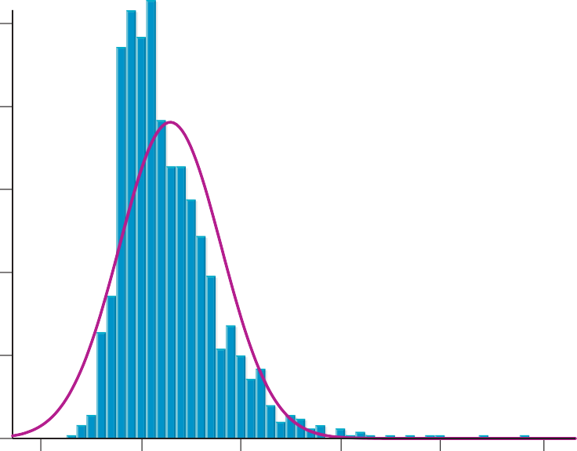
Mean = 22.79
Std. Dev. = 5.033
N = 1,202
 |  | FREQUENCY | PERCENT | VALID PERCENT | CUMULATIVE PERCENT
Valid | 16 | 32 | 4.8 | 4.8 | 4.8
 | 17 | 43 | 6.4 | 6.4 | 11.2
 | 18 | 118 | 17.6 | 17.6 | 28.8
 | 19 | 129 | 19.2 | 19.2 | 48.0
 | 20 | 121 | 18.0 | 18.0 | 66.0
 | 21 | 132 | 19.7 | 19.7 | 85.7
 | 22 | 96 | 14.3 | 14.3 | 100.0
Total |  | 671 | 100.0 | 100.0
Use the chart below to answer the following questions.
125
100
75
50
25
0 10 20 30 |  |  |  |  |  |  | 40 50 60
Age When First Married

